Introduction
Better Excel skills make you an incredibly valued employee.
Test your proficiency on Excel and know where you stand in using the Microsoft Excel Application

Microsoft Excel Test
For Job Candidates
Tel: 08062468296
W: www.leadleapconsult.com
Go back to top by pressing CTRL+HOME. To start the tour, press CTRL+PAGE DOWN.




Click here to start

Questions
Bottom Page
 | MICROSOFT EXCEL ASSIGNMENT

 | NAME: | FULE CHI B. |  |  |  |  | Don’t write in this box

 | Question 1: | What is E in the figure below?
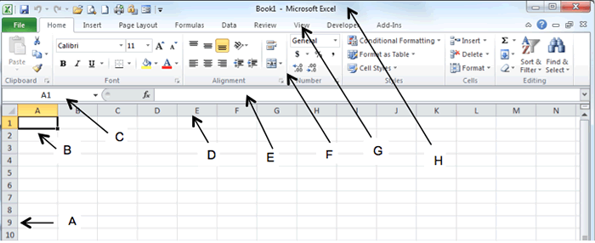

 | A. | Name Box |  |  | Answer
 | B. | Active Cell |  |  | D
 | C. | Status Bar
 | D. | Formula Bar

 | Question 2: | What is C in the figure above?
 | A. | Name Box |  |  | Answer
 | B. | Active cell |  |  | A
 | C. | Formula Bar
 | D. | Status Bar

 | Question 3: | Which of the following is not a way of editing the formula in a cell?
 | A. | Double-click the cell |  |  | Answer
 | B. | Click the formula bar |  |  | C
 | C. | Click the cell
 | D. | Press the (Fn) F2 key

 | Question 4: | To view a cell comment,
 | A. | Click the edit comment command on the insert menu |  |  | Answer
 | B. | Click the display comment command on the window menu |  |  | C
 | C. | Position the mouse pointer over the cell
 | D. | Click the comment command on the view menu

 | Question 5: | What is the keyboard shortcut to switch between the worksheet tabs?
 | A. | ALT + TAB |  |  | Answer
 | B. | ALT + PgDn |  |  | D
 | C. | Ctrl + UpArrow
 | D. | Ctrl + PgDn

 | Question 6: | What is the keyboard shortcut to enter the system date into a cell?
 | A. | Ctrl + # |  |  | Answer
 | B. | Ctrl + ; |  |  | B
 | C. | Ctrl + :
 | D. | Ctrl + *

 | Question 7: | How do you specify cell range A9 to A99 in Excel?
 | A. | (A9, A99) |  |  | Answer
 | B. | (A9 to A99) |  |  | C
 | C. | (A9 : A99)
 | D. | (A9 - A99)

 | Question 8: | Clearing the contents of a cell by pressing "DELETE" key on the keyboard will
 | A. | Text Only |  |  | Answer
 | B. | Format Only |  |  | C
 | C. | Contents Only
 | D. | Both Contents and Format

 | Question 9: | What is the combination of keys required to come back to the top of the worksheet?
 | A. | PgUp |  |  | Answer
 | B. | ALT + PgUp |  |  | C
 | C. | Ctrl + Home
 | D. | Ctrl + LeftArrow

 | Question 10: | What is the symbol that starts the formula in Microsoft Excel?
 | A. | The semicolon ; symbol |  |  | Answer
 | B. | The colon : symbol |  |  | D
 | C. | The asterisk * symbol
 | D. | The equal = symbol

 | Question 11: | What will be the result of the given formula in cell D1 following the order of operations in Microsoft Excel?

 | A. | 40
 | B. | 30 |  |  | Answer
 | C. | 20 |  |  | B
 | D. | 50

 | Question 12: | To select several cells or ranges that are not touching each other, you would … while selecting
 | A. | hold down the Ctrl key |  |  | Answer
 | B. | hold down the Shift key |  |  | A
 | C. | hold down the Alt key
 | D. | hold down Ctrl + Shift key

 | Question 13: | What function is used to change the word “EDuCate” to “EDUCATE”?
 | A. | CAPITALIZE |  |  | Answer
 | B. | UPPER |  |  | B
 | C. | CONVERT
 | D. | PROPER

 | Question 14: | In cell C1 of the image below, which of the functions given below is used?
 | 1 | CONCATENATE (A1, B1) |  |  | Answer
 | 2 | CONCATENATE (“A1”,”B1”) |  |  | B
 | 3 | A1&B1
 | 4 | PASTE (A1, B1)

 |  | A. | Both 1 and 2
 |  | B. | Both 1 and 3
 |  | C. | Both 2 and 3
 |  | D. | 1

 | Question 15: | Which function is used to remove extra and trailing spaces in a text string?
 | A. | CLEAN() |  |  | Answer
 | B. | CUT() |  |  | D
 | C. | NEAT()
 | D. | TRIM()

 | Question 16: | When typing a cell reference, which function key makes a cell reference absolute?
 | A. | Ctrl+F4 |  |  | Answer
 | B. | Shift+F3 |  |  | D
 | C. | F3
 | D. | F4

 | Question 17: | What would be the result of the function in cell C2 in the image below?
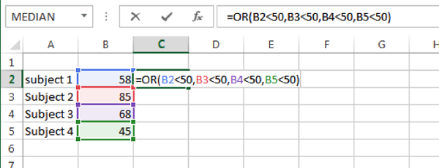

 | A. | #N/A |  |  | Answer
 | B. | #ERROR |  |  | C
 | C. | TRUE
 | D. | FALSE

 | Question 18: | What will be the result of the given formula following the order of operations in Microsoft Excel?

 | A. | 27 |  |  | Answer
 | B. | 52 |  |  | A
 | C. | 24
 | D. | 50

 | Question 19: | Which of these three functions will give you "TRUE" as an answer?

 | A. | =AND(A1=1;A2=2) |  |  | Answer
 | B. | =OR(A1=2;A2=1) |  |  | B
 | C. | =IF(A1>1);"TRUE";"FALSE")
 | D. | None of the above

 | Question 20: | What will be the outcome of copying the formula "=$B38" into another cell?
 | A. | The column part will remain the same |  |  | Answer
 | B. | The row part will remain the same |  |  | A
 | C. | Both the column and row will remain the same
 | D. | Both will change

 | Question 21: | To link a cell to another sheet or spreadsheet you
 | A. | Type = and click on the other sheet or spreadsheet cell |  |  | Answer
 | B. | Type the name of the sheet and the cell reference |  |  | A
 | C. | Type the name of the sheet, a ' and the cell reference
 | D. | Type the name of the sheet, a ! and the cell reference

 | Question 22: | In order to change the name of an excel file the best option would be to
 | A. | Change the name shown in cell A1 of Sheet 1 |  |  | Answer
 | B. | In folder change name of the file while the file is closed |  |  | B
 | C. | Click the Save icon (or use CTRL S)
 | D. | Use the 'Save As'

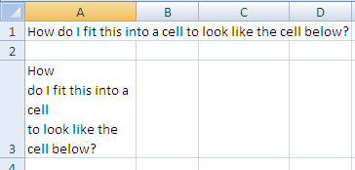
 | Question 23: | How do I make cell A1 look like cell A3
 | A. | Go to the Format Cells option and Wrap Text |  |  | Answer
 | B. | Go to the Format Cells option and Shrink to Fit |  |  | A
 | C. | Go to the Format Cells option and Merge Cells
 | D. | Hold ALT down and click enter at each new line point

 | Question 24: | If you sort the following list in ascending order what will be the result
 | A. | A1, A2, A10, A11, A20, A100
 | B. | A1, A10, A100, A11, A2, A20 |  |  | Answer
 | C. | A100, A10, A1, A11, A20, A2 |  |  | B
 | D. | A20, A2, A11, A100, A10, A1

 | Question 25: | In order to get this data set to go back to showing all the data items you would need to
 | A. | Set the filter in column A, B, and E to show all
 | B. | Set the filter in column C and D to show all |  |  | Answer
 | C. | Use the menu items to Show All or Clear all |  |  | B
 | D. | Set the filter in column C to show all

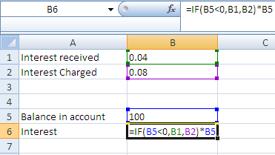
 | Question 26: | The result of the formula in cell B6 will be
 | A. | 0.08
 | B. | 0.04
 | C. | 8 |  |  | Answer
 | D. | 4 |  |  | C

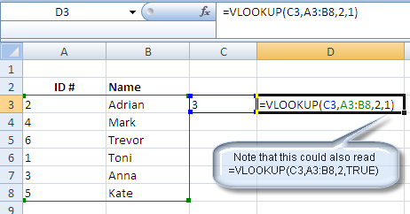
 | Question 27: | The VLOOKUP function in D3 will have the following answer (note that the last '1' could also say True)
 | A. | Anna
 | B. | Toni |  |  | Answer
 | C. | Adrian |  |  | C
 | D. | Trevor

 | Question 28: | If the result of a formula is #N/A, you can improve the formula by using a combination of which functions
 | A. | IF & ISERROR |  |  | Answer
 | B. | IF & CELL |  |  | A
 | C. | IF & ERROR.TYPE
 | D. | IF & NA

 | Question 29: | What function must be used to ensure the unformatted date "35045" in cell C2 is formatted to show the date correctly?
 | A. | NOW
 | B. | TODAY |  |  | Answer
 | C. | TEXT |  |  | C
 | D. | DATE

 | Question 30: | To determine if a record is unique in a list you can use the following tool or function
 | A. | ADVANCED FILTER tool
 | B. | DATA AUTOFILTER tool |  |  | Answer
 | C. | COUNTIF |  |  | D
 | D. | DATA SORT tool

 |  |  | <<<Previous Page | Click to check my Result |  | ^Top Page

